Stats
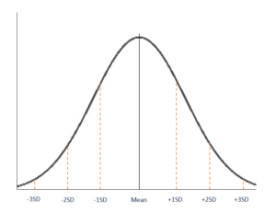
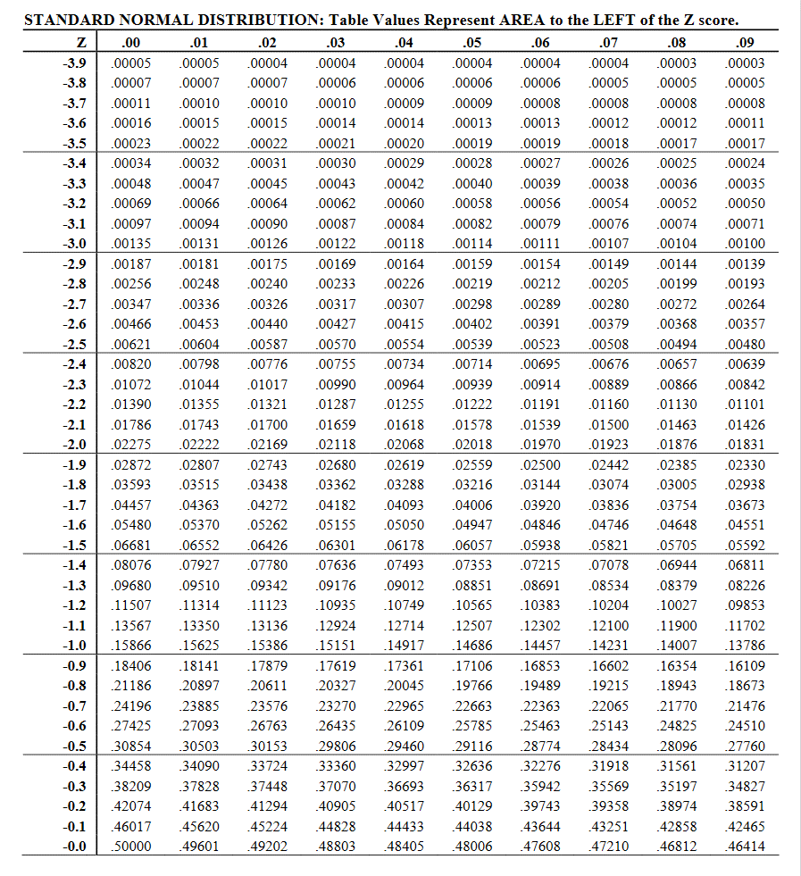
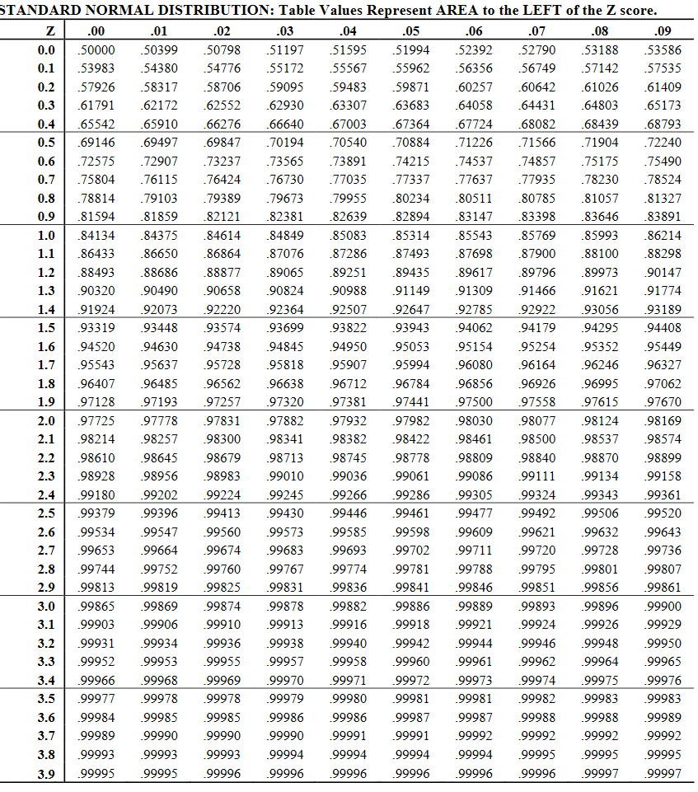
 | Statistics Refresher from the CFI Institute |  |  |  |  |  |  |  |  |  |  |  |  |  |  | 0.5438 | 0.63683 | 0.64058 | -0.4562
 | Normal Distribution | Lognormal Distribution | Skewness - estimating symmetry of a distribution | Kurtosis - estimating a distribution's peakedness and frequency of extreme values. |  |  |  |  |  |  |  | Z STAT
 | https://corporatefinanceinstitute.com/resources/knowledge/other/normal-distribution/ | https://corporatefinanceinstitute.com/resources/knowledge/other/lognormal-distribution/ | https://corporatefinanceinstitute.com/resources/knowledge/other/skewness/ | https://corporatefinanceinstitute.com/resources/knowledge/other/kurtosis/
The normal distribution is also referred to as Gaussian or Gauss distribution. The distribution is widely used in natural and social sciences. It is made relevant by the Central Limit Theorem, which states that the averages obtained from independent, identically distributed random variables tend to form normal d
distributions, regardless of the type of distributions they are sampled from.
Shape of Normal Distribution
A normal distribution is symmetric from the peak of the curve, where the mean is. This means that most of the observed data is clustered near the mean, while the data become less frequent when farther away from the mean. The resultant graph appears as bell-shaped where the mean, median, and mode are of the same values and appear at the peak of the curve.
The graph is a perfect symmetry, such that, if you fold it at the middle, you will get two equal halves since one-half of the observable data points fall on each side of the graph.
Parameters of Normal Distribution
The two main parameters of a (normal) distribution are the mean and standard deviation. The parameters determine the shape and probabilities of the distribution. The shape of the distribution changes as the parameter values change.
1. Mean
The mean is used by researchers as a measure of central tendency. It can be used to describe the distribution of variables measured as ratios or intervals. In a normal distribution graph, the mean defines the location of the peak, and most of the data points are clustered around the mean. Any changes made to the value of the mean move the curve either to the left or right along the X-axis.
2. Standard Deviation
The standard deviation measures the dispersion of the data points relative to the mean. It determines how far away from the mean the data points are positioned and represents the distance between the mean and the observations.
On the graph, the standard deviation determines the width of the curve, and it tightens or expands the width of the distribution along the x-axis. Typically, a small standard deviation relative to the mean produces a steep curve, while a large standard deviation relative to the mean produces a flatter curve.
Properties
All forms of (normal) distribution share the following characteristics:
1. It is symmetric
A normal distribution comes with a perfectly symmetrical shape. This means that the distribution curve can be divided in the middle to produce two equal halves. The symmetric shape occurs when one-half of the observations fall on each side of the curve.
2. The mean, median, and mode are equal
The middle point of a normal distribution is the point with the maximum frequency, which means that it possesses the most observations of the variable. The midpoint is also the point where these three measures fall. The measures are usually equal in a perfectly (normal) distribution.
3. Empirical rule
In normally distributed data, there is a constant proportion of distance lying under the curve between the mean and specific number of standard deviations from the mean. For example, 68.25% of all cases fall within +/- one standard deviation from the mean. 95% of all cases fall within +/- two standard deviations from the mean, while 99% of all cases fall within +/- three standard deviations from the mean.
4. Skewness and kurtosis
Skewness and kurtosis are coefficients that measure how different a distribution is from a normal distribution. Skewness measures the symmetry of a normal distribution while kurtosis measures the thickness of the tail ends relative to the tails of a normal distribution.
Normal distribution is considered one of the most important probability distributions due to its versatility and ability to accommodate different phenomena or events – e.g., height, test results, measurement errors, etc. The two measures of normal distribution are the mean (which is used to determine central tendency) and the standard deviation (which is used to determine the distance between recorded values and the mean).
The common properties of normal distributions are:
Normal distributions are symmetrical and not skewed.
The descriptive measures are normal (mean, median, and mode).
Half of the population is greater than the mean, and the other half is lesser than the mean.
Normal distribution is pivotal in statistics because hypothesis testing follows the assumption that data is normally distributed, and regression (linear and non-linear) follows the assumption that residuals are normally distributed. In conjunction with the Central Limit Theorem, it is argued that when a sample size increases, the distribution of the sample’s mean is normally distributed, despite the possibility of seeing the original values not being normally distributed.
Testing for Normality
Normality assumes that data (once plotted or charted) forms a symmetric bell curve. Normality is needed for regression and other statistical tests. One can test for normality by using a graph and analyzing its shape or through statistics tests such as the Shapiro-Wilk Test, Jarque-Bera Test, D’Agostino-Pearson Test, Kolmogorov-Smirnov Goodness of Fit Test, and among others, the Chi-square normality test.
Lognormal vs. Normal Distribution
Lognormal distributions tend to be used together with normal distributions, as lognormal distribution values are derived from normally distributed values through mathematical means. One key difference between the two is that lognormal distributions contain only positive numbers, whereas normal distribution can contain negative values.
Another key difference between the two is the shape of the graph. Normally distributed data forms a symmetric bell-shaped graph, as seen in the previous graphs. In contrast, lognormally distributed data does not form a symmetric shape but rather slants or skews more towards the right.
A lognormal distribution is common in statistics and probability theory. Lognormal distribution is also known as the Galton or Galton’s distribution and was named after Francis Galton, a statistician during the English Victorian Era.
By definition, the lognormal distribution is the discrete and ongoing distribution of a random variable, the logarithm of which is normally distributed. In other terms, lognormal distribution follows the concept that instead of having the original raw data normally distributed, the logarithms of this raw data that are computed are also normally distributed.
Summary
A lognormal distribution is the discrete and ongoing distribution of a random variable, the logarithm of which is normally distributed. In other terms, lognormal distribution follows the concept that instead of seeing the original raw data normally distributed, the logarithms of the raw data computed are also normally distributed.
Lognormal distribution is also known as the Galton or Galton’s distribution, named after Francis Galton, a statistician during the English Victorian Era.
The lognormal distribution model is considered to be very useful in the fields of medicine, economics, and engineering.
A lognormal distribution is a result of the variable “x” being a product of several variables that are identically distributed. It is common in statistics that data be normally distributed for statistical testing. The lognormal distribution can be converted to a normal distribution through mathematical means and vice versa.
The lognormal distribution consists of only positive values and follows the notation:
ln(x₁), ln(x₂), ln(x₃), etc.,
where the original variables are:
x₁, x₂, x₃, etc.
Some common applications of lognormal distributions include maintenance data analysis (for example, the time it may take to repair a specific piece of equipment) and economic and/or stock market data analysis (where positive values may be required to determine future returns for a stock).
The lognormal distribution is an ideal model for processes where the multiplication of effects results in time to failure. The model is considered to be very useful in the fields of medicine, economics, and engineering.
The image below shows the lognormal distribution and normal distribution:
"Skewness is a measure of asymmetry or distortion of symmetric distribution. It measures the deviation of the given distribution of a random variable from a symmetric distribution, such as normal distribution. A normal distribution is without any skewness, as it is symmetrical on both sides. Hence, a curve is regarded as skewed if it is shifted towards the right or the left.
Skewness measures the deviation of a random variable’s given distribution from the normal distribution, which is symmetrical on both sides.
A given distribution can be either be skewed to the left or the right. Skewness risk occurs when a symmetric distribution is applied to the skewed data.
Investors take note of skewness while assessing investments’ return distribution since extreme data points are also considered.
Types of Skewness
1. Positive Skewness
If the given distribution is shifted to the left and with its tail on the right side, it is a positively skewed distribution. It is also called the right-skewed distribution. A tail is referred to as the tapering of the curve in a different way from the data points on the other side.
As the name suggests, a positively skewed distribution assumes a skewness value of more than zero. Since the skewness of the given distribution is on the right, the mean value is greater than the median and moves towards the right, and the mode occurs at the highest frequency of the distribution.
2. Negative Skewness
If the given distribution is shifted to the right and with its tail on the left side, it is a negatively skewed distribution. It is also called a left-skewed distribution. The skewness value of any distribution showing a negative skew is always less than zero. The skewness of the given distribution is on the left; hence, the mean value is less than the median and moves towards the left, and the mode occurs at the highest frequency of the distribution.
Skewness also includes the extremes of the dataset instead of focusing only on the average. Hence, investors take note of skewness while estimating the distribution of returns on investments. The average of the data set works out in case an investor holds a position for the long term. Therefore, extremes need to be looked at when investors seek short-term and medium-term security positions.
Usually, a standard deviation is used by investors for prediction of returns, and standard deviation presumes a normal distribution with zero skewness. However, because of skewness risk, it is better to obtain the performance estimations based on skewness. Moreover, the occurrence of return distributions coming close to normal is low.
Skewness risk occurs when a symmetric distribution is applied to the skewed data. The financial models seeking to estimate an asset’s future performance consider a normal distribution. However, skewed data will increase the accuracy of the financial model.
If a return distribution shows a positive skew, investors can expect recurrent small losses and few large returns from investment. Conversely, a negatively skewed distribution implies many small wins and a few large losses on the investment.
Hence, a positively skewed investment return distribution should be preferred over a negatively skewed return distribution since the huge gains may cover the frequent – but small – losses. However, investors may prefer investments with a negatively skewed return distribution. It may be because they prefer frequent small wins and a few huge losses over frequent small losses and a few large gains."
"Kurtosis is a statistical measure that defines how heavily the tails of a distribution differ from the tails of a normal distribution. In other words, kurtosis identifies whether the tails
of a given distribution contain extreme values.
Along with skewness, kurtosis is an important descriptive statistic of data distribution. However, the two concepts must not be confused with each other. Skewness essentially
measures the symmetry of the distribution, while kurtosis determines the heaviness of the distribution tails. In finance, kurtosis is used as a measure of financial risk.
A large kurtosis is associated with a high level of risk for an investment because it indicates that there are high probabilities of extremely large and extremely small returns.
On the other hand, a small kurtosis signals a moderate level of risk because the probabilities of extreme returns are relatively low.
What is Excess Kurtosis?
An excess kurtosis is a metric that compares the kurtosis of a distribution against the kurtosis of a normal distribution. The kurtosis of a normal distribution equals 3. Therefore,
the excess kurtosis is found using the formula below:
Excess Kurtosis = Kurtosis – 3
Types of Kurtosis
The types of kurtosis are determined by the excess kurtosis of a particular distribution. The excess kurtosis can take positive or negative values, as well as values close to zero.
1. Mesokurtic
Data that follows a mesokurtic distribution shows an excess kurtosis of zero or close to zero. This means that if the data follows a normal distribution, it follows a mesokurtic distribution.
2. Leptokurtic
Leptokurtic indicates a positive excess kurtosis. The leptokurtic distribution shows heavy tails on either side, indicating large outliers. In finance, a leptokurtic distribution shows that the
investment returns may be prone to extreme values on either side. Therefore, an investment whose returns follow a leptokurtic distribution is considered to be risky.
3. Platykurtic
A platykurtic distribution shows a negative excess kurtosis. The kurtosis reveals a distribution with flat tails. The flat tails indicate the small outliers in a distribution. In the finance context,
the platykurtic distribution of the investment returns is desirable for investors because there is a small probability that the investment would experience extreme returns."
+

+

 |  |  |  |  |  | Mesokurtic |  | Leptokurtic |  |  | Platykurtic
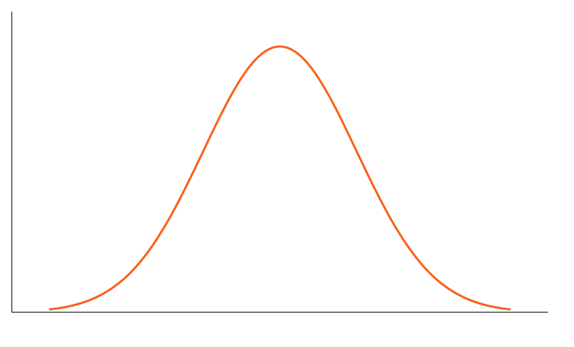
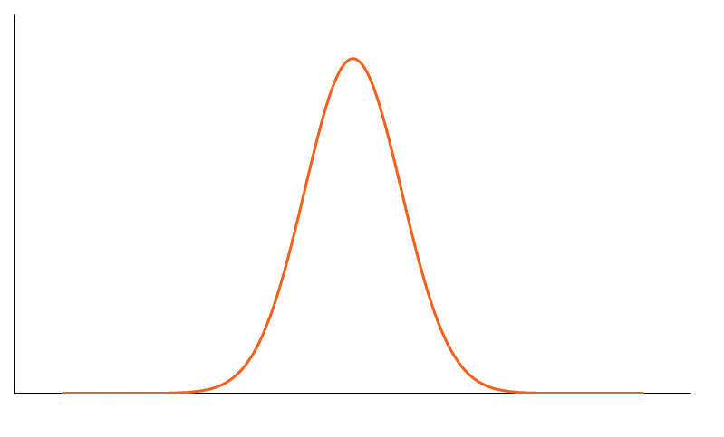
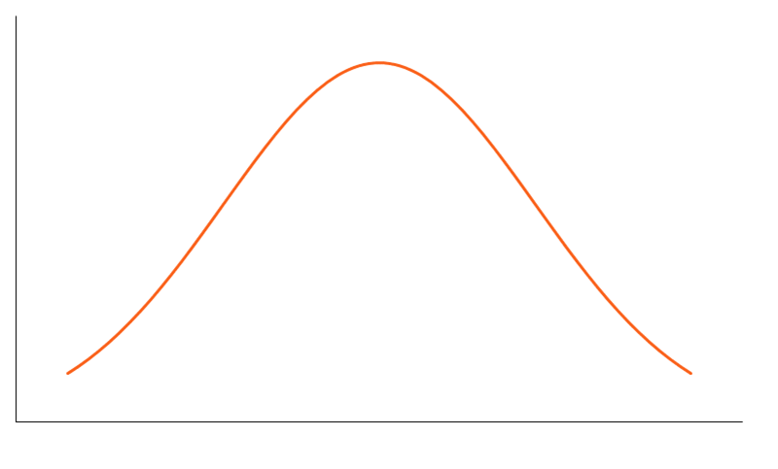

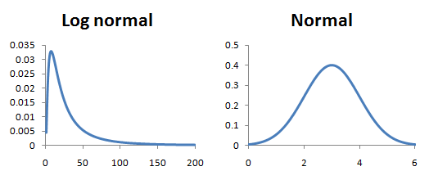

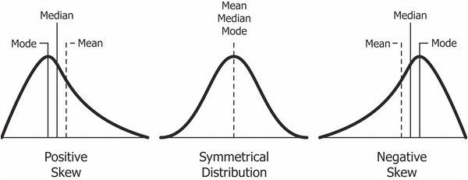
 |  |  |  |  | meso - meaning: middle, in the middle |  | lepto - meaning: thin, fine, slight, narrow |  |  | platy - meaning: flat or broad

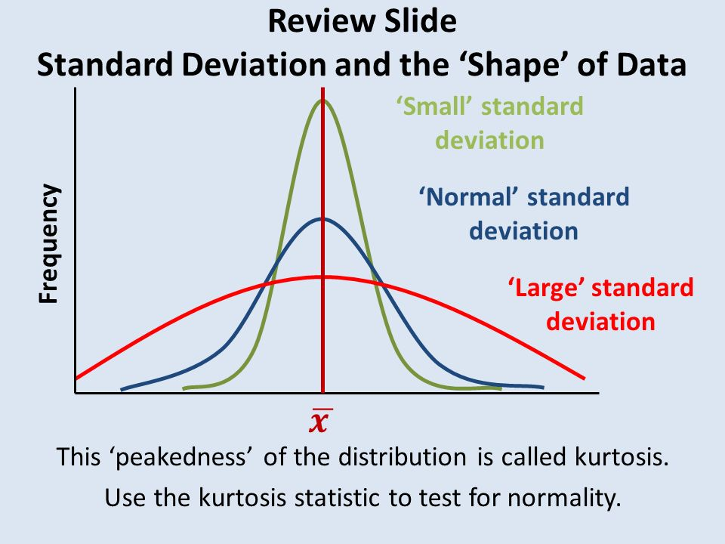

 |  |  |  |  |  |  |  |  | area under each curve must equal 1
 |  |  |  |  |  |  |  |  |  |  |  |  | 0.4562 | 0.36317 | 0.35942
 |  |  |  |  |  |  |  |  |  |  |  |  |  | avg | 0.361295

+

The Basics
5
 | Black - Scholes - Merton |  |  |  |  |  |  |  |  |  |  |  | 0 | 0
 | from (Options, Futures, and Other Derivatives 10th Edition, John. C. Hull, Pearson) |  |  |  |  |  |  |  |  |  |  |  | 1 | 0.5
 | https://www.macroption.com/black-scholes-assumptions/ | Homework Assignment! |  |  |  |  |  |  |  |  |  |  | 2 | 1
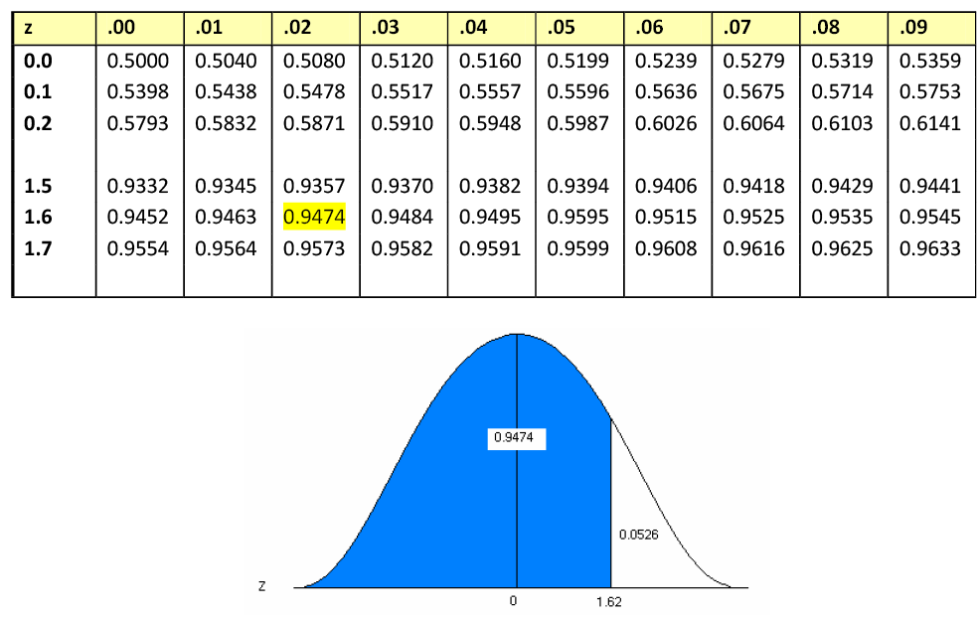
 |  |  |  |  |  |  |  |  |  |  |  |  | 3 | 2
 |  |  |  |  |  |  |  |  |  |  |  |  | 4 | 4
 | The Black-Scholes - Merton model was developed for pricing European Options on non-dividend paying stocks. |  |  |  |  |  |  |  |  |  |  |  | 5 | 6
 | The model has several certain assumptions regarding the distribution of the stock price and other other variables. |  |  |  |  |  |  |  |  |  |  |  | 6 | 8
 |  |  | F5 Go to | 5 |  |  |  |  |  |  |  |  | 7 | 10
 | 1. Continuously compounded returns on the stock are normally distributed and independent over time. |  | norm |  |  |  |  |  |  |  |  |  | 8 | 11
 | When returns are normally distributed it means that the future stock price at a given point of time must be lognormally distributed. |  |  |  | log |  |  |  |  |  |  |  | 9 | 12
 | Knowing the shape of price distribution and the std. deviation (volatility), it is possible to compute the exact probablility of a the underlying ending up above/below a certain price at T. |  |  |  |  |  | skew |  |  |  |  |  | 10 | 12
 | The problem is that most risky assets return distributions have some degree of skewness and kurtosis. One way to address this is to use different volatility (std.dev) for different strikes. |  |  |  |  |  | kurt |  |  |  |  |  | 11 | 11
 | This is what is referred to as the volatility smile or volatility skew. |  |  |  |  |  |  |  |  |  |  |  | 12 | 10
 | 2. The volatility of continously compounded returns is known and constant. Volatility is the amplitude of moves - how uncertain we are of future returns. |  |  |  |  |  |  |  |  |  |  |  | 13 | 10
 | 3. Future dividends are known as a fixed $ amount or a fixed dividend yield. |  |  |  |  |  |  |  |  |  |  |  | 14 | 9
 | 4. The risk free rate is known and constant. |  |  |  |  |  |  |  |  |  |  |  | 15 | 8
 | 5. There are no transaction costs or taxes. |  |  |  |  |  |  |  |  |  |  |  | 16 | 7
 | 6. It is possible to short sell with no cost and to borrow at the risk free rate. |  |  |  |  |  |  |  |  |  |  |  | 17 | 6
 | 7. The underlying asset price cannot be consistently predicted - It takes a "Random Walk" (Weiner process-mathematics,Brownian motion-physics) |  |  |  |  |  |  |  |  |  |  |  | 18 | 5
 |  |  |  |  |  | Ce = S0N(d1) - Xe-rTN(d2) |  |  |  |  |  |  | 19 | 4
 | Intrinsic Value of a Long European Call | max(S0 - Xe-rT,0) |  |  |  |  |  |  |  |  |  |  | 20 | 3
 | Intrinsic Value of a Long European Put | max(Xe-rT- S0 ,0) |  |  |  | Option Volatility and Pricing, Advanced Trading Strateges and Techiques, 2nd Edition, Sheldon Natenberg. McGraw Hill Education, 2015 |  |  |  |  |  |  | 21 | 2
 |  |  |  |  |  | ISBN 978-0-07-181877-3, MHID: 0-07-181877-4, e-ISBN 978-07-181878-0, e-MHID: 0-07-181878-2 |  |  |  |  |  |  | 22 | 2
 |  |  |  |  |  |  |  |  |  |  |  |  | 23 | 1
 |  |  |  |  |  | Let's breakdown the Black Scholes Model Calculations: from Option Volatility and Pricing, Sheldon Natenberg, 2015 |  |  |  |  |  |  | 24 | 1
ln$\frac{ S0}{X}$
+ | Black Scholes Merton Pricing Formulas |  |  |  |  |  | "The relationship between the exercise price and the underlying price - in a normal distribution it would |  |  |  |  |  | 25 | 1
 |  |  |  |  |  |  | be S - X, but in a lognormal distribution it ln(S/X)" |  | "Once we have determined the value of d1, multiplying the forward price of the stock by |  |  |  | 26 | 0
 |  | Ce = S0N(d1) - Xe-rTN(d2) |  |  |  |  | if S>X then this value is + positive | the call is ITM | N(d1) gives us the average value of all stock above the exercise price at expiration." |  |  |  | 27 | 0
 |  | Pe = Xe-rTN(-d2) - S0N(-d1) |  |  |  |  | if S<X then this value is - negative | the call is OTM
ln$\frac{ S0}{X}$ + rt
 |  |  |  |  |  |  | "Options are valued off the forward price and the forward price is a function of interest rates and time." |  | "Having calculated the average value of all stock above the exercise price, we still need to determine
 | Variable Notations |  |  |  |  |  | "We must adjust this relationship by the interest component over the life of the option" |  | the likelihood that the option will be exercised. To do this, we need the median of the distribution, the
 | S0 | Underlying stock price |  |  |  |  |  |  | point that exactly bisects the total number of occurances."
 | X | Strike
ln$\frac{ S0}{X}$ + rt + $\frac{σ2t}{2}$
Lognormal Distribution
 | T | Time to expiration |  |  |  |  | "The number of standard deviations associated with an occurrence depends on how far the occurrence is
 | σ | Volatility |  |  |  |  | from the mean of the distribution. " In a normal distribution, the mean, median and mode are in the
Median 10.5
 | r | Risk free rate (continuously compounded) |  |  |  |  | exact middle of the distribution. What if it's not a normal distribution? What if the mean was to the |  |  |  |  | "We can see that the median…here falls somewhere to the
 |  |  |  |  |  |  | right of the mode? "This depends on the standard deviation of the lognormal distribution. The |  |  |  |  | left of the mean. How far to the left of the mean? In fact,
 | These probabilities are calculated using the normal cumulative distribution factors d1 and d2 |  |  |  |  |  | higher the standard deviation,, the longer the right tail…the further to the right we must shift the mean. |  |  |  |  | the median fall to the left by σ√t."
d₂ = d₁ - σ√t
 | N(d1) | N(d1)The risk adjusted probability of receiving the stock at the expiration of the option (assuming the option is ITM) |  |  |  |  | Mathematically, the shift is equal to σ2t/2."
ln ($\frac{ S0}{X}$) + (r + $\frac{σ2}{2}$)t
 | N(d2) | The risk adjusted probability that the option will be exercised. (probablility of exercise)
 |  |  |  |  |  |  | "Combining the interest-rate and volatility components gives us the numerator for d1"
 | "The function N(x) is the cumulative probability distribution function for a variable with a standard normal distribution.
 | (returns on a stock are assumed to be normally distributed). In other words, it is the probability that a variable with a
 | standard normal distribution will be less than x. "
$d1=(\ln\left(\frac{S0}{X}\right)+(r+σ$²/2)T) / (σ*√T)
d1 = $\frac{ \text{ln}\text{ (}\frac{ S0}{X}\text{) + (}\text{r}\text{ + }\frac{σ2}{2}\text{)}\text{t} }{σ2√t}$
 |  |  |  |  |  |  | "Finally we must convert this value to some number of standard deviations. If we know the value of one
 | d1 |  |  |  |  |  | standard deviation, we can divide this value to determine the total number of standard deviations. In |  | "The value N(d2) uses the median to calculate the probability of the option being in-the-money at expiration
d₂$=d1 −$σ*√T
 | d2 |  |  |  |  |  | fact, we know that over any time period t, one standard deviation is equal to the σ2√t |  | and therefore being exercised. Mulitplying this probability by the exercise price gives us the average amount we
 |  |  |  |  |  |  | If we divide this by this value, the result d1, tell us, in standard deviations, how far the exercise price is |  | will pay at expiration if we own the option. "
XN(d₂ )
+ | Intuitive Way of looking at the Formula/Model |  |  |  |  |  | from the mean when adjusted for a lognormal distribution.
C_{e} =e^{(-rT)}N(d2)[S₀e^{(rT)}N(d1)/N(d2) - X]
 |  |  |  |  |  |  | "The calculation of d1... is really just a collection of adjustments to the exercise price and underlying
 |  |  |  |  |  |  | price that enable us to use a cumulative normal distribution function to calculate probabilities."
 | PV * (probability of early exercise)* (Stock price at T * (probability of receiving the stock at T/probabiity of early exercise) - the strike) |  |  |  |  |  |  |  | "Taking the average value of the stock we will receive at expriation and subtracting the average amount we will pay at
"Spot price to forward price adjustement. (Carry on the Underlying)"
 |  |  |  |  |  |  |  |  | expiration gives us the expected value for the call."
"The relationship between the underlying price
and the exercise price. (ITM or OTM?)"
 | Where:
"Adjustment for the mean of a
lognormal distribution".
 | e(-rT) | The present value factor |  |  |  |  |  |  |  |  | SertN(d1) - XN(d2)
 | N(d2) | The probability of exercise
 | S0e(rT)N(d1)/N(d2) | Expected stock price in a risk-neutral world if the option is exercised |  |  |  |  |  |  | "There is still one final step in calculating the theoretical value of a call option, and this step explains how the terms
 | X | Strike price |  |  |  |  |  |  | SertN(d1) and XN(d2) become SN(d1) and Xe-rtN(d2), which is the way they appear in the Black Scholes model.
$$\frac{ \text{ln}\text{ (}\frac{ S0}{X}\text{) + (}\text{r}\text{ + }\frac{σ2}{2}\text{)}\text{t} }{σ2√t}$$
C_{e} + Xe^{-rt} = S₀ + P_{e}
P_{e} = C_{e} + Xe^{-rt} - S₀
"Normalization factor (one standard deviation) to determine the total number of standard deviations."
 | We can also invoke Put/Call Parity to price the put without going through the Put formula before: |  |  |  |  |  |  |  | The expression SertN(d1) - XN(d2) represents the expected value of the option at expiration. If we must pay for the
 |  |  |  |  |  |  |  |  | option today, the theoretical value is the present value of the expected value. Multiplying the expected value by e-rt
 |  | whereby the Put: |  |  |  |  |  |  | yields the familiar form of the Black Scholes model."

 |  |  |  |  |  |  |  |  |  | [SertN(d1) - XN(d2)]e-rt = SN(d1) - Xe-rtN(d2)

B.S.Model
SOLUTION FROM BINOMIAL TREE
N = 4 |  | Difference
CALL | $7.10 | $0.23 |  | Ce = S0N(d1) - Xe-rTN(d2)
PUT | $12.62 | $0.29
 |  |  |  | Pe = Xe-rTN(-d2) - S0N(-d1)
$d1=(\ln\left(\frac{S0}{X}\right)+(r+σ$²/2)T) / (σ*√T)
d₂$=d1 −$σ*√T
The Black Scholes Merton Model
S0 | $94.27
X | $100.00
T | 0.27397260274
σ (annualized) | 46.29%
r(c.c.) | 1.00%

$$N(X)=1 −N(−x)$$
d1 | (0.1111) | =(LN(C10/C11)+(C14+(C13^2/2))*C12)/(C13*SQRT(C12))
d2 | (0.3534) | =C18-(C13*SQRT(C12)) | Using Zstat Table to Calc Nd1/Nd2 | Go to (F5) zstat
N(d1) | 0.4558 | =NORM.S.DIST($C$18,1) | 0.4562 | =Stats!AZ36
N(d2) | 0.3619 | =NORM.S.DIST($C$19,1) | 0.3613 | =Stats!BC37
N(-d1) | 0.5442 | =NORM.S.DIST(-$C$18,1) | 0.5438 | =Stats!$BG$2 | 0.5442 | =1-C20
N(-d2) | 0.6381 | =NORM.S.DIST(-$C$19,1) | 0.6387 | =AVERAGE(Stats!BI2:BJ2) | 0.3619 | =1-C23
Present Value of the Strike | $99.73 | =C11*EXP(-C14*C12)

Call | $6.87 | =(C10*C20)-(C24*C21)
Put | $12.33 | =(C24*C23)-(C10*C22)

Using Put-Call Parity
C_{e} = S₀ + Pe - Xe^{-rt}

Call | $6.87 | =C10+C27-(C11*EXP(-C14*C12))

P_{e} = C_{e} + Xe^{-rt} - S₀
 |  |  |  | -0.11108256959

Put | $12.33 | =C26+C24-C10 |  | -0.11108256959

Dividends and The Greeks
Change in Delta with a Change in Underlying
 | Black Scholes Merton with Dividends |  |  |  | Binomial Solution |  | These are the basic risks associated with owning/selling an option. |  |  |  |  |  |  |  |  | 365.000
 |  |  |  |  | Call $1.39 |  |  |  |  |  |  |  |  |  |  |  |  | Vega - Change of Option's
 |  |  |  |  | Put $ 2.75 |  |  |  |  |  | Delta |  | Gamma |  |  | Theta Call |  | premium with Change in Volatility
 | Key Inputs |  | Intermediate Calculations |  |  |  | The Greeks |  |  |  | Underlying | (0.5767) | Underlying | 0.0872 |  | Time T | (0.0087) | Volatilty | 2.5439
 | Underlying | $23.92 | d1 | (0.1935) | =(LN(C6/C7)+((C9-C10)+(C8^2)/2)*C13)/(C8*SQRT(C13)) |  | Greeks No Divs. |  | Greeks with Divs. |  | $2.50 | (1.0000) | $10.00 | 0.00 | 4 | 0.011 | (0.02552) | 5% | $1.31
 | Strike | $25.00 | d2 | (0.3811) | =F6-(C8*SQRT(C13)) |  | Delta | (0.5767) | Delta | (0.5818) | $5.00 | (1.0000) | $12.00 | 0.00 | 6 | 0.016 | (0.02546) | 10% | $1.39
 | Volatility | 38.00% | N(d1) | 0.4233 | =NORM.S.DIST(F6,TRUE) |  | Gamma | 0.0872 | Gamma | 0.0862 | $7.50 | (1.0000) | $14.00 | 0.00 | 8 | 0.022 | (0.02432) | 15% | $1.55
 | Interest Rate | 1.00% | N(d2) | 0.3515 | =NORM.S.DIST(F7,TRUE) |  | Theta Call | (0.0101) | Theta Call | (0.0087) | $10.00 | (1.0000) | $16.00 | 0.01 | 10 | 0.027 | (0.02304) | 20% | $1.75
 | Dividend Yield c.c. | 5.00% | N(-d1) | 0.5767 | =NORM.S.DIST(-F6,TRUE) |  | Theta Put | (0.0094) | Theta Put | (0.0113) | $12.50 | (0.9999) | $18.00 | 0.03 | 12 | 0.033 | (0.02182) | 25% | $1.96
 | Today | 2021-01-17 | N(-d2) | 0.6485 | =NORM.S.DIST(-F7,TRUE) |  | Vega | 0.0462 | Vega | 0.0457 | $15.00 | (0.9963) | $20.00 | 0.06 | 14 | 0.038 | (0.02073) | 30% | $2.18
 | Expiration | 2021-04-16 | S0/Adjusted S0 | $23.6301 | =IF(C10>0,C6*EXP(-C10*C13),C6) |  | Rho | (0.0394) | Rho | (0.0394) | $17.50 | (0.9685) | $22.00 | 0.08 | 16 | 0.044 | (0.01975) | 35% | $2.41
 | Time to Expiration | 0.2438 | PV of X | $24.9391 | =C7*EXP(-C9*C13) |  |  |  |  |  | $20.00 | (0.8744) | $24.00 | 0.09 | 18 | 0.049 | (0.01888) | 40% | $2.64
"If gamma is small, delta changes slowly, and adjustments to keep the position(portfolio) delta neutral need to be made only relatively infrequently. However, if gamma is highly negative or highly positive, delta is very sensitive to the price fo the underderlying asset . It is then quite risky to leave a delta neutral portfolio unchanged for any length of time." Options, Futures and Other Derivatives 10th edition, John C. Hull
 | Call / Put | Put | N'(d1) | 0.3915 | =EXP(-(F6^2)/2)/(SQRT(2*F17)) |  |  |  |  |  | $22.50 | (0.6983) | $26.00 | 0.08 | 20 | 0.055 | (0.01810) | 45% | $2.87
 | Premium | $2.5439 | Call Option | $1.2349 | =(F12*F8)-(F13*F9) |  |  |  |  |  | $25.00 | (0.4833) | $28.00 | 0.06 | 22 | 0.060 | (0.01740) | 50% | $3.10
 |  |  | Put Option | $2.5439 | =(F13*F11)-(F12*F10) |  |  |  |  |  | $27.50 | (0.2912) | $30.00 | 0.04 | 24 | 0.066 | (0.01677) | 55% | $3.33
Gamma
 |  |  | Pi | 3.1416 |  |  |  |  |  |  | $30.00 | (0.1554) | $32.00 | 0.03 | 26 | 0.071 | (0.01619) | 60% | $3.56
+ | When there are dividends, we must make some adjustments to Calculating d1 |  |  |  |  |  |  |  |  |  | $32.50 | (0.0749) | $34.00 | 0.02 | 28 | 0.077 | (0.01566) | 65% | $3.79
 |  |  |  |  |  |  |  |  |  |  | $35.00 | (0.0333) | $36.00 | 0.01 | 30 | 0.082 | (0.01518) | 70% | $4.03
$d1=(\ln\left(\frac{S0}{X}\right)+((r−q)+σ$²/2)T) / (σ*√T)
 | d1 |  |  |  |  |  |  |  |  |  | $37.50 | (0.0138) | $38.00 | 0.00 | 32 | 0.088 | (0.01473) | 75% | $4.26
 |  |  |  |  |  |  |  |  |  |  | $40.00 | (0.0054) | $40.00 | 0.00 | 34 | 0.093 | (0.01432) | 80% | $4.49
d₂$=d1$- σ*√T
 | d2 |  |  |  |  |  |  |  |  |  | $42.50 | (0.0021) | $42.00 | 0.00 | 36 | 0.099 | (0.01394) | 85% | $4.72
 |  |  |  |  |  |  |  |  |  |  | $45.00 | (0.0008) | $44.00 | 0.00 | 38 | 0.104 | (0.01358) | 90% | $4.96
 | Also, we must adjust the Stock price in the formula by e raised to the power of the negative dividend rate times time. |  |  |  |  |  |  |  |  |  | $47.50 | (0.0003) | $46.00 | 0.00 | 40 | 0.110 | (0.01325) | 95% | $5.19
 |  |  |  |  |  |  |  |  |  |  | $50.00 | (0.0001) | $48.00 | 0.00 | 42 | 0.115 | (0.01294) | 100% | $5.42
$$Ce=Soe−qT ∗N\left(d1\right)−Xe−rT ∗N(d2)$$
 | Call |  |  |  |  |  |  |  |  |  | $52.50 | (0.0000) | $50.00 | 0.00 | 44 | 0.121 | (0.01264) | 105% | $5.65
 |  |  |  |  |  |  |  |  |  |  | $55.00 | (0.0000) | $52.00 | 0.00 | 46 | 0.126 | (0.01237) | 110% | $5.88
Pe $=Xe−rT ∗N\left(−d2\right) − Soe−qT ∗N\left(−d1\right)$
 | Put |  |  |  |  |  |  |  |  |  | $57.50 | (0.0000) | $54.00 | 0.00 | 48 | 0.132 | (0.01211) | 115% | $6.11
Theta
 |  |  |  |  |  |  |  |  |  |  | $60.00 | (0.0000) | $56.00 | 0.00 | 50 | 0.137 | (0.01186) | 120% | $6.34
 |  |  |  |  |  |  |  |  |  |  | $62.50 | (0.0000) | $58.00 | 0.00 | 52 | 0.142 | (0.01163) | 125% | $6.56
+ | The Greeks |  |  |  |  |  |  |  |  |  | $65.00 | (0.0000) | $60.00 | 0.00 | 54 | 0.148 | (0.01140) | 130% | $6.79
Δ = $\frac{dc}{ds}$
Δ = $\frac{dp}{ds}$
Premium with Change in Volatility
 |  |  |  |  |  |  |  |  |  |  |  |  |  |  | 56 | 0.153 | (0.01119)
 | Delta (directional risk) | The first derivative of price. The change in the option's premium for a change in the underlying |  |  |  | Delta from Binomial Tree |  |  |  |  |  |  |  |  | 58 | 0.159 | (0.01099)
Γ = $\frac{d2C}{dS2}$
 |  |  |  |  |  | Δ =(fu-fd)/(Su - Sd) |  |  |  |  |  |  |  |  | 60 | 0.164 | (0.01080)
 | Gamma (curvature risk) | The second derivative of price. The change in the option's delta for a change in the underlying. |  |  |  |  |  |  |  |  |  |  |  |  | 62 | 0.170 | (0.01062)
 |  |  |  |  |  | Call or Put |  |  |  |  |  |  |  |  | 64 | 0.175 | (0.01044)
 | Theta (time decay risk) | The change in the option's price for a change in time to maturity. |  |  |  | where C is for the call premium, but is interchangeable with P (put premium) |  |  |  |  |  |  |  |  | 66 | 0.181 | (0.01027)
V $=\frac{df}{dσ}$
 |  |  |  |  |  |  |  |  |  |  |  |  |  |  | 68 | 0.186 | (0.01011)
 | Vega (volatility risk) | The change in the option's price for a change in the volatility. |  |  |  | where f is the option price and σ is the option's implied volatility |  |  |  |  |  |  |  |  | 70 | 0.192 | (0.00996)
rho $=\frac{df}{dr}$
 |  |  |  |  |  |  |  |  |  |  |  |  |  |  | 72 | 0.197 | (0.00981)
 | Rho (interest rate risk) | The change in the option's price for a change in the risk free rate. |  |  |  |  |  |  |  |  |  |  |  |  | 74 | 0.203 | (0.00967)
 |  |  |  |  |  |  |  |  |  |  |  |  |  |  | 76 | 0.208 | (0.00953)
+ | Formulations for the Greeks from the Black Scholes Merton |  |  |  |  |  |  |  |  |  |  |  |  |  | 78 | 0.214 | (0.00940)
$$N(x)$$
 |  |  |  |  |  | •“The function N(x) is the cumulative probability distribution function for a variable with a standard normal distribution. In other words, it is the probability that a variable with a standard normal distribution will be less than x.”1
 | Delta | N(d1) for a call option
 |  | N(d1) -1 for a put option
$$N′\left(x\right)=\frac{e^{−x^{2/2}}}{\sqrt{2π}}$$
$$Γ=\frac{N^{′}\left(ⅆ_{1}\right)}{S0 σ√T}$$
$$x=d1$$
 | Gamma |  | for both calls and puts |  | where N'(d1) = N'(x)

$θC=−\frac{s_{0}N^{′}\left(ⅆ_{1}\right)σ}{2\sqrt{T}}−rXⅇ^{−rT}\left(N\left(d_{2}\right)\right)$ / 365
 | Theta (Call) |  |  |  | The Theta of a Call is formulated differently than the Theta of a Put
 |  |  |  |  | Because N(-d2) = 1 - N(d2), the theta of a put exceeds the theta of the corresponding call by
 |  |  |  |  | rXe-rT
$θP=−\frac{s_{0}N^{′}\left(ⅆ_{1}\right)σ}{2\sqrt{T}}+rXⅇ^{−rT}\left(N\left({−d}_{2}\right)\right)$ / 365
 | Theta (Put)

$V=S_{0}\sqrt{T}N′\left(d_{1}\right)$ * .01
 | Vega |  | for both calls and puts |  | multiply by 0.01 to get the vega for a 1% change in volatilty

$rho\left(call\right)=XTⅇ^{−rT}N\left(d_{2}\right)$ *.01
 | Rho |  |  |  | multiply by 0.01 to get the rho for a 1% (100 bps) move in the risk free rate
$rho\left(put\right)=−XTⅇ^{−rT}N\left(−d_{2}\right)$ *.01

+ | These formulations must change when Dividends are Paid at a yield rate of q
ΔCall = e^{-qT}N(d₁)
 | Delta
ΔPut = e^{-qT} [N(d₁)-1]
$$Γ=\frac{N^{′}\left(ⅆ_{1}\right)e−qT}{S0 σ√T}$$
 | Gamma |  | for both calls and puts

$θC=−\frac{s_{0}N^{′}\left(ⅆ_{1}\right)σ}{2\sqrt{T}}+qS0N\left(d1\right)e−qT−rXⅇ^{−rT}\left(N\left(d_{2}\right)\right)$ / 365
 | Theta (Call)

$θP=−\frac{s_{0}N^{′}\left(ⅆ_{1}\right)σ}{2\sqrt{T}} −qS0N\left(−d1\right)e−qT+rXⅇ^{−rT}\left(N\left({−d}_{2}\right)\right)$ / 365
 | Theta (Put)

$V=S_{0}\sqrt{T}N′\left(d_{1}\right)$e^{-qT} *.01
 | Vega |  |  | for both calls and puts

$rho\left(call\right)=XTⅇ^{−rT}N\left(d_{2}\right)$ *.01
 | Rho
$$rho\left(put\right)=−XTⅇ^{−rT}N\left(−d_{2}\right) ∗.01$$

 | Call
 | Put

Delta and Gamma Hedging
$d1=(\left(\frac{S0}{X}\right)+((r−q)+σ$²/2)T) / (σ*√T)
 | Black Scholes Merton with Dividends |  |  | Long 1 25X Call, Long 1 25X Put |  | Binomial Solution | These are the basic risks associated with owning/selling an option.
 |  |  |  | Delta Put | (0.3823) | Call $1.39
 | Long Delta Shares, Short 1 Call |  |  | Net Delta | 0.2354 | Put $ 2.75
 | Key Inputs |  |  | Intermediate Calculations |  |  | The Greeks
 | Underlying | $25.92 |  | d1 | 0.2994 | =(LN(C6/C7)+((C9-C10)+(C8^2)/2)*C13)/(C8*SQRT(C13)) | Greeks No Divs. |  | Greeks with Divs.
 | Strike | $25.00 |  | d2 | 0.1118 | =F6-(C8*SQRT(C13)) | Delta | 0.6177 | Delta | 0.6177
 | Volatility | 38.00% |  | N(d1) | 0.6177 | =NORM.S.DIST(F6,TRUE) | Gamma | 0.0784 | Gamma | 0.0784
 | Interest Rate | 1.00% |  | N(d2) | 0.5445 | =NORM.S.DIST(F7,TRUE) | Theta Call | (0.0108) | Theta Call | (0.0108)
 | Dividend Yield c.c. | 0.00% |  | N(-d1) | 0.3823 | =NORM.S.DIST(-F6,TRUE) | Theta Put | (0.0101) | Theta Put | (0.0101)
 | Today | 2021-01-17 |  | N(-d2) | 0.4555 | =NORM.S.DIST(-F7,TRUE) | Vega | 0.0488 | Vega | 0.0488
 | Expiration | 2021-04-16 |  | S0/Adjusted S0 | $25.9200 | =IF(C10>0,C6*EXP(-C10*C13),C6) | Rho | 0.0331 | Rho | 0.0331
 | Time to Expiration | 0.2438 |  | PV of X | $24.9391 | =C7*EXP(-C9*C13)
"If gamma is small, delta changes slowly, and adjustments to keep the position(portfolio) delta neutral need to be made only relatively infrequently. However, if gamma is highly negative or highly positive, delta is very sensitive to the price fo the underderlying asset . It is then quite risky to leave a delta neutral portfolio unchanged for any length of time." Options, Futures and Other Derivatives 10th edition, John C. Hull
 | Call / Put | Call |  | N'(d1) | 0.3815 | =EXP(-(F6^2)/2)/(SQRT(2*F17))
 | Premium | $2.4312 |  | Call Option | $2.4312 | =(F12*F8)-(F13*F9)
 |  |  |  | Put Option | $1.4503 | =(F13*F11)-(F12*F10)
 |  |  |  | Pi | 3.1416
+ | Number of Calls - Short | 1
 | Stock Price | $25.92
 | Long Shares | 61.77 |  | Delta | 0.6177 | revised share position for Delta and Gamma
 | Short Call | -1 |  | Gamma | 0.0784 | 0.6961
 | Value of long Shares | $1,601.04 |  | Option Premium | $2.4312
 | Value of short Call 1.8539 | $(243.12) |  |  |  | 0.69612
 | Value of Position at t=0 | $1,357.93

 | Stock Price | $24.92 |  | Delta | 0.5358 | (0.0819)
 | Long Shares | 61.77 |  | Gamma | 0.0850 | 0.0065
 | Short Call | $(1.00) |  | Option Premium | $1.8539 | (0.5773)
 | Value of long Shares | $1,539.28
 | Value of short Call | $(185.39)
 | Value of Position at t=0 | $1,353.88

 | Change in Position Value | $(4.04)

 | Stock Price | $20.00 |  | Delta | 0.1395
 | Long Shares | 69.61 |  | Gamma | 0.0592
 | Short Call | $(1.00) |  | Option Premium | $0.2461
 | Value of long Shares | $1,392.23
 | Value of short Call | $(24.61)
 | Value of Position at t=0 | $1,367.62

 | Change in Position Value | $9.70

 |  |  | 61.768672812

 |  |  |  |  | 0.69612

